Core Log Integration
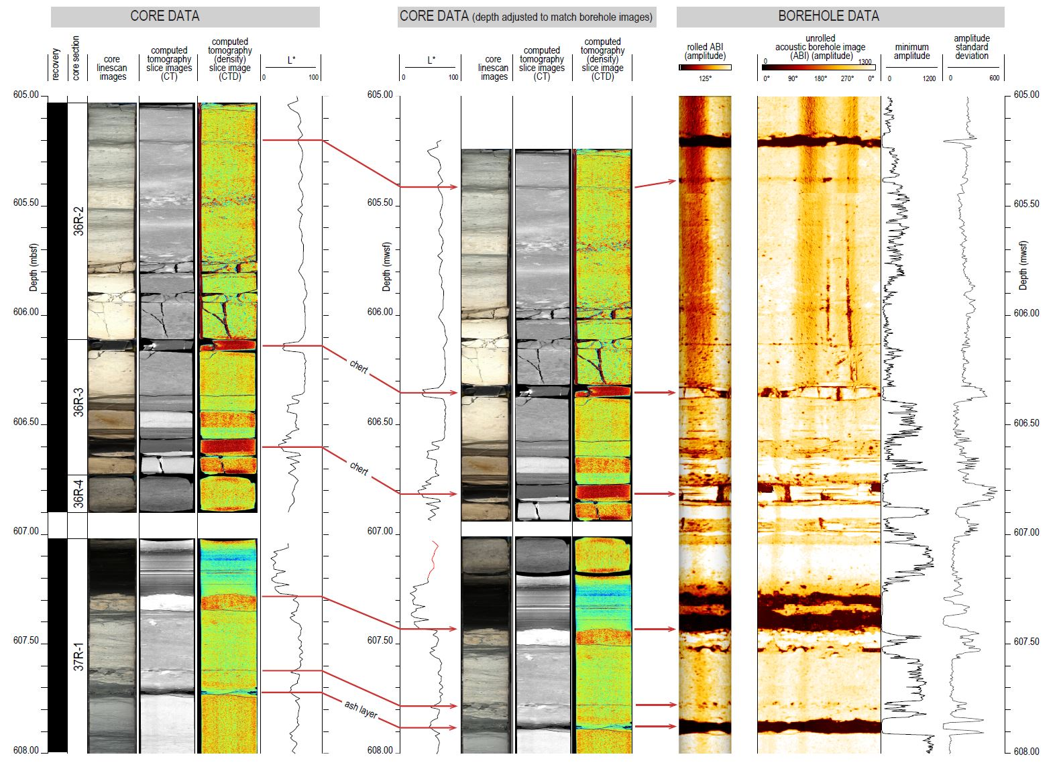

Magnetic data
 | sample | depth (mbsf) | IRM (Am²/kg) | IRM30mT/IRM | IRM100mT/IRM | ARM (Am²/kg) | ARM30mT/ARM | χ (10E-8 m3/kg) | S-300 ratio | Thermal demagnetization of saturation IRM | 37R-1W-6-8 | 37R-1W-15-19 | 37R-1W-31-33 | 37R-1W-33-35
PETM | 37R-1W-5-6 | 607.07 | 7.36E-05 | 0.48 | 0.143 | 3.67E-06 | 0.49 | 5.40 | 0.93 | T (°C) | IRM (normalized to RT) | IRM (normalized to RT) | IRM (normalized to RT) | IRM (normalized to RT)
 | 37R-1W-6-8 | 607.08 | 6.13E-05 | 0.49 | 0.149 | 3.19E-06 | 0.52 | 4.45 | 0.90 | 20 | 1.00 | 1.00 | 1.00 | 1.00
 | 37R-1W-9-12 | 607.11 | 1.36E-04 | 0.44 | 0.129 | 6.62E-06 | 0.45 | 5.26 | 0.91 | 125 | 0.70 | 0.69 | 0.85 | 0.84
 | 37R-1W-15-19 | 607.17 | 1.39E-04 | 0.47 | 0.141 | 5.70E-06 | 0.52 | 5.37 | 0.91 | 175 | 0.57 | 0.55 | 0.76 | 0.76
 | 37R-1W-19-21 | 607.21 | 1.17E-04 | 0.54 | 0.157 | 6.03E-06 | 0.51 | 4.93 | 0.86 | 250 | 0.43 | 0.45 | 0.63 | 0.62
Selandian | 37R-1W-27-29 | 607.29 | 3.98E-06 | 0.50 | 0.135 | 3.24E-07 | 0.52 | 0.18 | 0.90 | 300 | 0.40 | 0.40 | 0.55 | 0.55
 | 37R-1W-31-33 | 607.33 | 4.25E-06 | 0.53 | 0.099 | 5.67E-07 | 0.42 | 0.16 | 0.90 | 330 | 0.37 | 0.37 | 0.51 | 0.49
 | 37R-1W-33-35 | 607.35 | 1.79E-05 | 0.51 | 0.065 | 1.61E-06 | 0.41 | 0.85 | 0.86 | 380 | 0.27 | 0.28 | 0.39 | 0.39
 | 37R-1W-45-46 | 607.47 | 5.42E-06 | 0.49 | 0.079 | 6.56E-07 | 0.41 | 0.18 | 0.93 | 460 | 0.21 | 0.19 | 0.25 | 0.25
 | 37R-1W-49-50 | 607.51 | 5.05E-06 | 0.50 | 0.079 | 6.31E-07 | 0.42 | 0.15 | 0.98 | 520 | 0.19 | 0.14 | 0.14 | 0.16
 | 37R-1W-53-54 | 607.55 | 5.80E-06 | 0.49 | 0.075 | 6.99E-07 | 0.41 | 0.14 | 0.93 | 550 | 0.12 | 0.10 | 0.07 | 0.06
 | 37R-1W-65-66 | 607.67 | 1.70E-05 | 0.54 | 0.153 | 1.64E-06 | 0.41 | 0.61 | 0.90 | 590 | 0.00 | 0.01 | 0.02 | 0.01

Caption: IRM = saturation isothermal remanent magnetization (acquired in 1T); IRM30mT and IRM100mT are the remanent magnetization after demagnetization of the initial IRM with alternating fields of 30 mT and 100 mT, respectively; ARM = anhysteretic remanent magnetization (acquired in 100 mT alternating field and a bias field of 100 µT); ARM30mT is the residual ARM after demagetizaiton in an alternating field of 30 mT ; χ = magnetic susceptibiilty. The S-300 ratio that is the IRM obtained after applying a 3 T field and then a back field of − 0.3 T normalized to the IRM acquired in 3 T.

Thermal demagnetization of saturation IRM

Sheet12
 |  |  | nitrogen
606.72 | 0.95609347224 | 605.695 | -0.293
606.87 | 0.95117783166 | 607.0225 | 0.94
607.05 | 0.976224703 | 607.0275 | 1.04
607.12 | 0.98143123538 | 607.0325 | 0.92
607.17 | 0.97376183153 | 607.0375 | -0.07
607.21 | 0.97294016107 | 607.0425 | 0.07
607.25 | 0.96020513513 | 607.0475 | -0.73
607.33 | 0.85626831152 | 607.0525 | -0.93
 |  | 607.0575 | -0.87
 |  | 607.0625 | -1.5
 |  | 607.0675 | -0.3
 |  | 607.072 | -1.08
 |  | 607.076 | -1.63
 |  | 607.078 | -1.55
 |  | 607.1025 | -1.93
 |  | 607.1027 | -1.89
 |  | 607.1125 | -1.43
 |  | 607.1175 | -0.53
 |  | 607.1325 | 0.84
 |  | 607.1375 | 0.64
 |  | 607.1425 | 1.09
 |  | 607.1475 | 2.69
 |  | 607.152 | 2.42
 |  | 607.157 | 2.41
 |  | 607.16 | 2.11
 |  | 607.163 | 1.03
 |  | 607.1675 | 0.9
 |  | 607.172 | -0.22
 |  | 607.174 | -0.93
 |  | 607.176 | -1.33
 |  | 607.178 | -1.44
 |  | 607.182 | -1.34
 |  | 607.187 | -0.63
 |  | 607.19 | -0.74
 |  | 607.195 | -0.99
 |  | 607.2 | -0.85
 |  | 607.203 | -1.83
 |  | 607.2075 | -1.95
 |  | 607.212 | -1.92
 |  | 607.217 | -1.6
 |  | 607.221 | -1.38
 |  | 607.226 | 0.18
 |  | 607.229 | -0.08
 |  | 607.236 | 0
 |  | 607.239 | 0.83
 |  | 607.241 | 1.07
 |  | 607.246 | 0.5
 |  | 607.25 | 0.22
 |  | 607.254 | 0.91
 |  | 607.259 | 2.59
...

